Sheet1
 |  | Document No. | Issue No. | Issue Date |  | Review and Replace Date |  | Authorised By
 |  | GFF415MC | 1 | 11.08.2023 |  | New Issue
 |  | Document Title | CHIPOTLE CHICKEN WITH TOMATO & PEPPER RICE 400G
 |  |  |  |  |  |  |  | Magda Shah
Document amendments reason for change |  | New product launch | Page 1 of 1 |  | Previous Issue Date |  | New Issue | Uncontrolled copy unless signed original

CCCPOR-R4TEB | BOOTHS |  | CHIPOTLE CHICKEN WITH TOMATO & PEPPER RICE 400G
STEP 1 |  |  |  |  | STEP 2
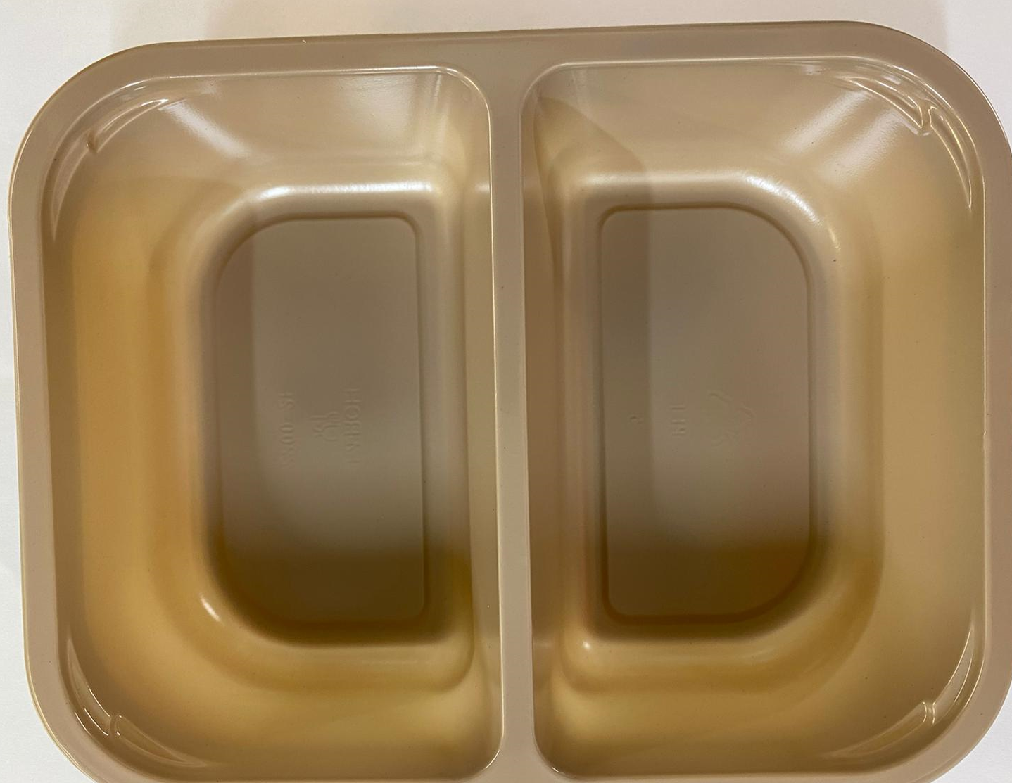 |  |  |  |  | 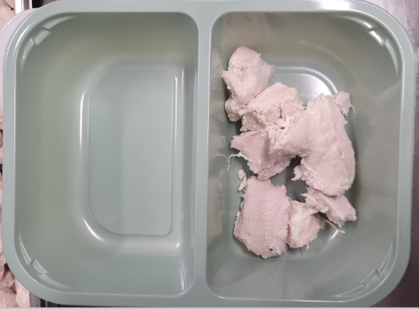

PACK
+ 1 YEAR

Tray: Evolve CPET 2200-2F (PKRHP001-10) |  |  |  |  | British Marinated Chicken 12-14g (GFF164R): 70g

Film: K peel 7G+25A/f- 275mm (275 mmX1000) (PKKMP001-03)

STEP 3 |  |  |  |  | STEP 4
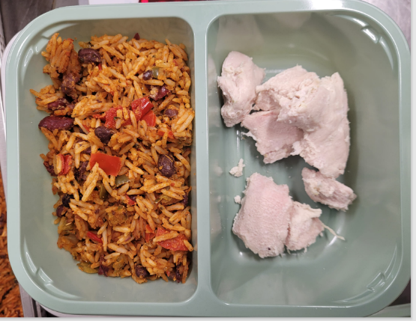 |  |  |  |  | 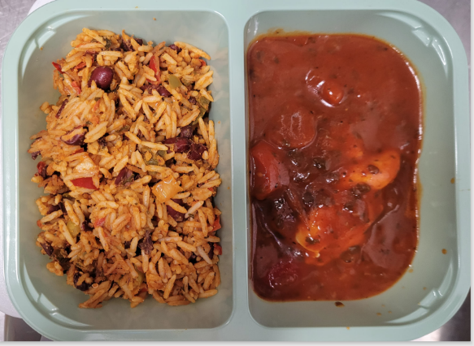

Tomato & Pepper Rice (GFF445R): 160g |  |  |  |  | Chipotle Sauce (GFF444R): 170g |  |  |  | TOTAL WEIGHT: 400g

ALLERGY ALERT: SOYA, WHEAT

